Dashboard
//////////
Fleet Management Transportation & Logistics Dashboard 2026
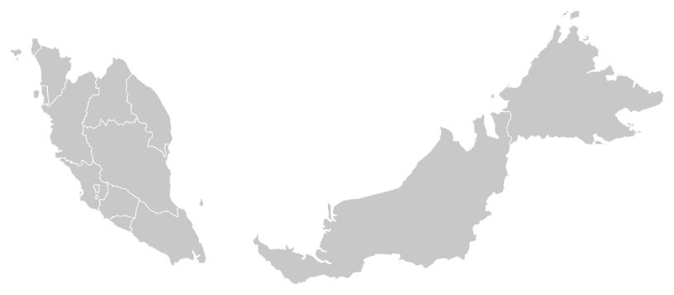
//////////

Total Trips
Kuala Lumpur,
Malaysia
Overview
24

Dashboard
Hired Transportation
5
Trips

Salaries | 12100
Wages | 15100
Total Salaries
Wages | 15100
Salaries | 12100
Schedule
Total Expenses
Total Expenses
44%
56%
 | Total
Close | 16
Far | 6
Regular | 2
RM27,200
RM12,100
RM15,100
16
2
6
Close
Regular
Far
Ringgit Malaysia
Ringgit Malaysia
Ringgit Malaysia

Drivers

Expenses by Month
Route Frequency
 | Gidec | Mina | Safeskin | Suies | Top glove | X1 Port
Air Port |  |  |  |  |  | 2
Alex |  |  |  |  | 2
Gidec |  |  | 2 | 2
Giza |  |  |  |  |  | 2
Port Said |  |  | 2
PT |  |  | 2
Safeskin |  | 2 |  |  |  | 2
Top glove |  |  |  |  |  | 2
Xunthai | 4
 | Total
Jan | 3,200
Feb | 2,000
Mar | 4,000
Apr | 1,000
May | 1,400
Jun | 3,600
Jul | 2,200
Aug | 2,500
Sep | 1,000
Oct | 3,700
Nov | 1,600
Dec | 1,000
Driver & Buddy Income
Per Trip Classify
 | Sum of Driver wage/trip | Sum of Buddy wage/trip
Close | 6,400 | 3,100
Far | 4,000 | 600
Regular | 800 | 200

Months

 | Total
Jan | 14
Feb | 16
Mar | 51
Apr | 4
May | 5
Jun | 24
Jul | 26
Aug | 49
Sep | 9
Oct | 79
Nov | 11
Dec | 12
Trip by Month
Cargo Types

 | Total
Woodchip | 12
Woodpellet | 12

Total Distance
One-Way
Return
868
16
8

Kilometres
Trips
Trips

Schedule
//////////
Fleet Management Transportation & Logistics
Dashboard 2026
//////////

Total Trips
Kuala Lumpur,
Malaysia
Overview
24

Dashboard
Hired Transportation
5
Trips

Schedule
🚚 New Truck Driving Laws
🔶 Flexible 30-Minute Break
- Break is no longer strictly after 8 continuous driving hours
- Drivers may take the break while on-duty (not driving)
- Provides more scheduling flexibility during trips
🔶 Mandatory Off-Duty Break
-At least one 30-minute off-duty break is still required
-Must not interrupt the 14-hour driving window
-Drivers must still complete 10 consecutive off-duty hours daily
🔶 Adverse Driving Condition Rule
-Driving limit may be extended by up to 2 extra hours
-Applies during severe weather or unexpected road conditions
🔶 Flexible Off-Duty Periods
-Off-duty time can now be split into multiple periods
-Each rest period must be at least 3 hours
-Improves fatigue management and trip planning

Drivers
Trip | Date | Driver | Truck | From | To | Goods
1 | 2022-01-01 | Antoni | 72-0466/0467 | Xunthai | Gidec | Woodchip
2 | 2022-02-01 | Jaison | 72-1001/1002 | Port Said | Safeskin | Woodpellet
3 | 2022-03-01 | Antoni | 72-0466/0467 | Gidec | Suies | Woodchip
4 | 2022-04-01 | Jaison | 72-1001/1002 | Safeskin | X1 Port | Woodpellet
5 | 2022-05-01 | Antoni | 72-0466/0467 | Top glove | X1 Port | Woodchip
6 | 2022-06-01 | Jaison | 72-1001/1002 | Alex | Top glove | Woodpellet
7 | 2022-07-01 | Antoni | 72-0466/0467 | Giza | X1 Port | Woodchip
8 | 2022-08-01 | Jaison | 72-1001/1002 | Gidec | Safeskin | Woodpellet
9 | 2022-09-01 | Antoni | 72-0466/0467 | Safeskin | Mina | Woodchip
10 | 2022-10-01 | Jaison | 72-1001/1002 | Air Port | X1 Port | Woodpellet
11 | 2022-11-01 | Antoni | 72-0466/0467 | Xunthai | Gidec | Woodchip
12 | 2022-12-01 | Jaison | 72-1001/1002 | PT | Safeskin | Woodpellet
13 | 2022-01-01 | Antoni | 72-0466/0467 | Xunthai | Gidec | Woodchip
Months
14 | 2022-02-01 | Jaison | 72-1001/1002 | Port Said | Safeskin | Woodpellet
15 | 2022-03-01 | Antoni | 72-0466/0467 | Gidec | Suies | Woodchip
16 | RM44,621.00 | Jaison | 72-1001/1002 | Safeskin | X1 Port | Woodpellet
17 | RM44,621.00 | Antoni | 72-0466/0467 | Top glove | X1 Port | Woodchip
18 | 2022-06-01 | Jaison | 72-1001/1002 | Alex | Top glove | Woodpellet
19 | 2022-07-01 | Antoni | 72-0466/0467 | Giza | X1 Port | Woodchip
20 | 2022-08-01 | Jaison | 72-1001/1002 | Gidec | Safeskin | Woodpellet
21 | RM44,774.00 | Antoni | 72-0466/0467 | Safeskin | Mina | Woodchip
22 | 2022-10-01 | Jaison | 72-1001/1002 | Air Port | X1 Port | Woodpellet
23 | RM44,835.00 | Antoni | 72-0466/0467 | Xunthai | Gidec | Woodchip
24 | RM44,835.00 | Jaison | 72-1001/1002 | PT | Safeskin | Woodpellet

